result_Ty1_original
# d'AA | AA | RNA Binding Score | LDDT | PRNA, cut at both ends | PRNA, cut in the end | PRNA, cut in the beginning | NA chaperon | PRNA, end only (C-term) | PRNA, beginning only (N-term) | PRNA, truncated GAG yielding T-bodies
1 | Met | 0.16 | 53.52 |  | 0.056 |  |  |  | 0.032
2 | Glu | 0.06 | 36.64 |  | 0.074 |  |  |  | 0.028
3 | Ser | 0.05 | 43.5 |  | 0.08 |  |  |  | 0.031
4 | Gln | 0.06 | 39.48 |  | 0.041 |  |  |  | 0.04
5 | Gln | 0.04 | 41.94 |  | 0.005 |  |  |  | 0.084
6 | Leu | 0.08 | 35.94 |  | 0.012 |  |  |  | 0.204
7 | Ser | 0.17 | 39 |  | 0.06 |  |  |  | 0.372
8 | Asn | 0.27 | 39.4 |  | 0.179 |  |  |  | 0.45
9 | Tyr | 0.36 | 30.72 |  | 0.485 |  |  |  | 0.527
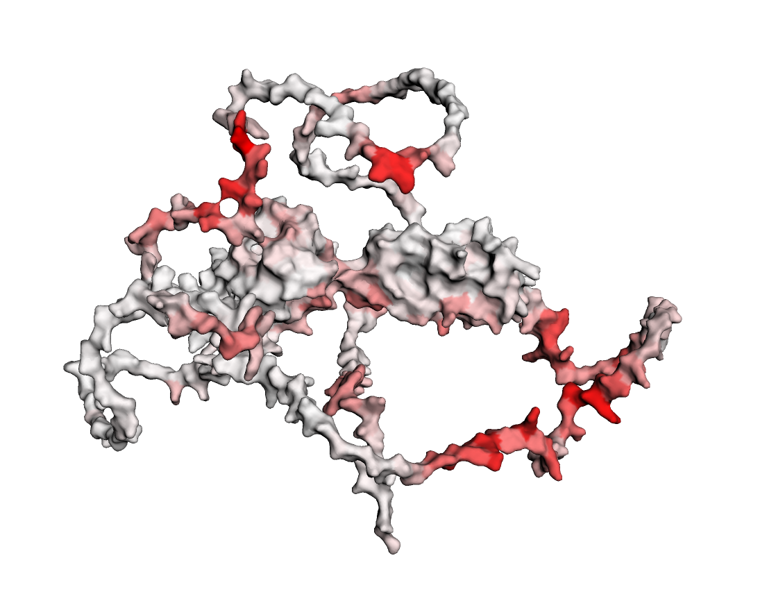
10 | Pro | 0.53 | 42.31 |  | 0.386 |  |  |  | 0.39
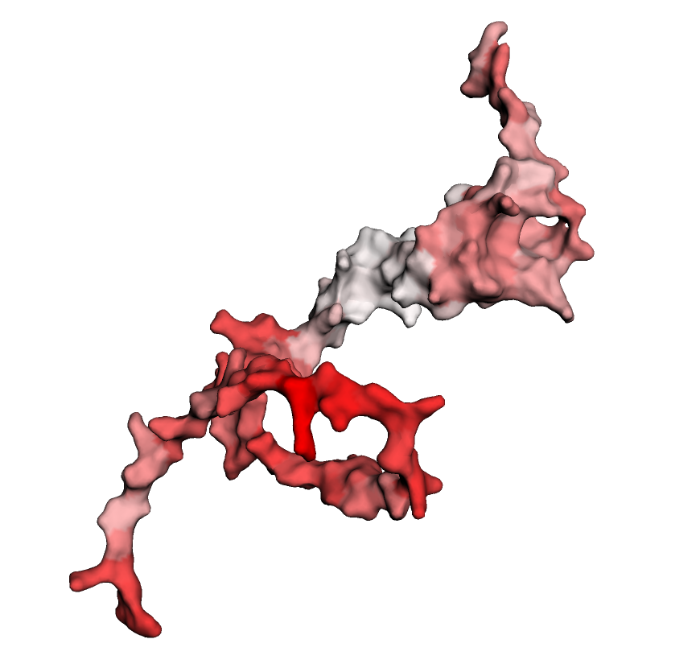
11 | His | 0.58 | 44.72 |  | 0.789 |  |  |  | 0.365
12 | Ile | 0.59 | 34.61 |  | 0.791 |  |  |  | 0.516
13 | Ser | 0.61 | 44.85 |  | 0.848 |  |  |  | 0.373
14 | His | 0.58 | 39.7 |  | 0.799 |  |  |  | 0.269
15 | Gly | 0.62 | 42.93 |  | 0.753 |  |  |  | 0.163
16 | Ser | 0.36 | 37.81 |  | 0.532 |  |  |  | 0.1
17 | Ala | 0.39 | 41.96 |  | 0.286 |  |  |  | 0.08
18 | Cys | 0.32 | 33.87 |  | 0.124 |  |  |  | 0.043
19 | Ala | 0.11 | 39.42 |  | 0.069 |  |  |  | 0.046
20 | Ser | 0.08 | 35.69 |  | 0.12 |  |  |  | 0.064
21 | Val | 0.1 | 40.52 |  | 0.084 |  |  |  | 0.152
22 | Thr | 0.07 | 36.86 |  | 0.059 |  |  |  | 0.269
23 | Ser | 0.11 | 41.32 |  | 0.128 |  |  |  | 0.303
24 | Lys | 0.12 | 41.3 |  | 0.081 |  |  |  | 0.432
25 | Glu | 0.08 | 38.68 |  | 0.174 |  |  |  | 0.225
26 | Val | 0.29 | 37.81 |  | 0.144 |  |  |  | 0.464
27 | His | 0.42 | 35.63 |  | 0.144 |  |  |  | 0.535
28 | Thr | 0.43 | 39.01 |  | 0.005 |  |  |  | 0.325
29 | Asn | 0.41 | 35.46 |  | 0.007 |  |  |  | 0.411
30 | Gln | 0.42 | 36.48 |  | 0.01 |  |  |  | 0.287
31 | Asp | 0.25 | 32.97 |  | 0.018 |  |  |  | 0.35
32 | Pro | 0.08 | 42.68 |  | 0.029 |  |  |  | 0.059
33 | Leu | 0.02 | 34.94 |  | 0.107 |  |  |  | 0.026
34 | Asp | 0.04 | 35.94 |  | 0.011 |  |  |  | 0.137
35 | Val | 0.14 | 38.88 |  | 0.018 |  |  |  | 0.038
36 | Ser | 0.2 | 37.55 |  | 0.054 |  |  |  | 0.045
37 | Ala | 0.1 | 31.64 |  | 0.042 |  |  |  | 0.015
38 | Ser | 0.08 | 39.62 |  | 0.054 |  |  |  | 0.021
39 | Lys | 0.07 | 38.45 |  | 0.05 |  |  |  | 0.029
40 | Ile | 0.04 | 42.44 |  | 0.092 |  |  |  | 0.044
41 | Gln | 0.03 | 37.14 |  | 0.031 |  |  |  | 0.055
42 | Glu | 0.02 | 40.79 |  | 0.056 |  |  |  | 0.031
43 | Tyr | 0.02 | 31.47 |  | 0.105 |  |  |  | 0.051
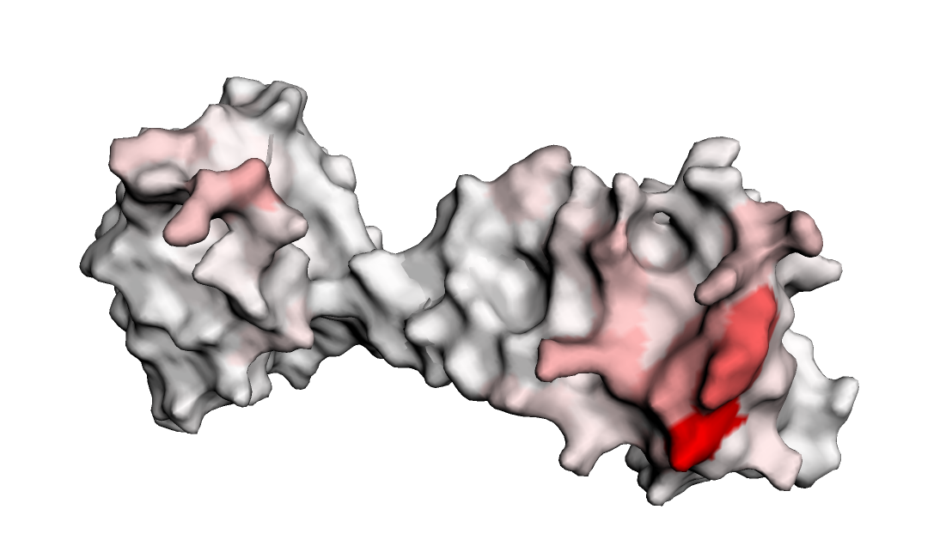
44 | Asp | 0.1 | 36.43 |  | 0.267 |  |  |  | 0.043
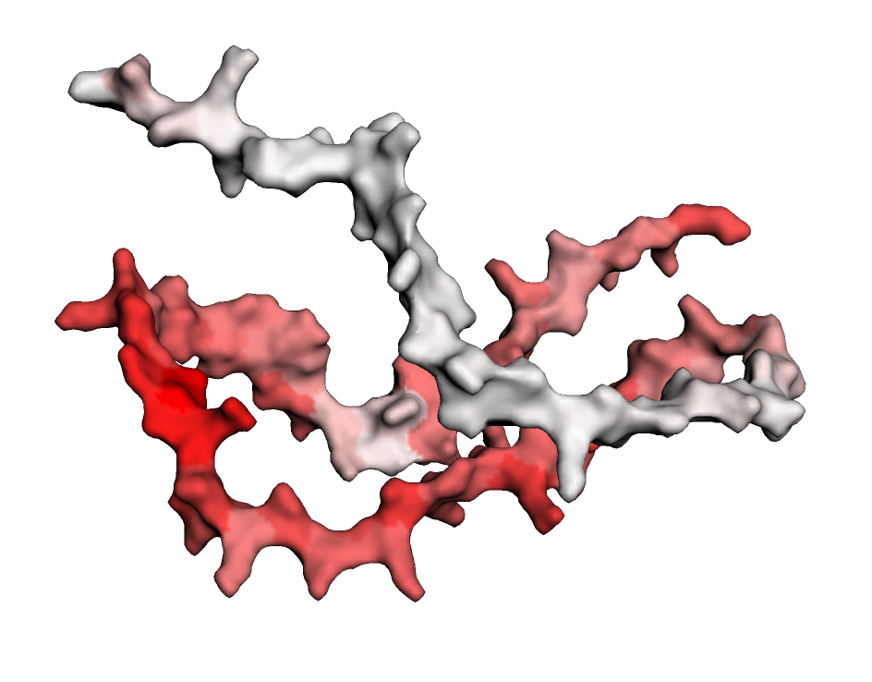
45 | Lys | 0.14 | 38.34 |  | 0.559 |  |  |  | 0.052
46 | Ala | 0.25 | 35.28 |  | 0.442 |  |  |  | 0.075
47 | Ser | 0.24 | 42.96 |  | 0.89 |  |  |  | 0.157
48 | Thr | 0.41 | 35.91 |  | 0.973 |  |  |  | 0.622
49 | Lys | 0.57 | 40.58 |  | 0.995 |  |  |  | 0.848
50 | Ala | 0.54 | 37.3 |  | 0.998 |  |  |  | 0.806
51 | Asn | 0.47 | 35.48 |  | 0.999 |  |  |  | 0.772
52 | Ser | 0.2 | 43.24 |  | 0.995 |  |  |  | 0.422
53 | Gln | 0.08 | 38.58 |  | 0.904 |  |  |  | 0.271
54 | Gln | 0.05 | 37.93 |  | 0.43 |  |  |  | 0.056
55 | Thr | 0.03 | 40.34 |  | 0.173 |  |  |  | 0.012
56 | Thr | 0.03 | 39.58 |  | 0.02 |  |  |  | 0.015
57 | Thr | 0.03 | 40.41 |  | 0.01 |  |  |  | 0.021
58 | Pro | 0.01 | 37.06 |  | 0.005 |  |  |  | 0.011
59 | Ala | 0 | 35.71 |  | 0.003 |  |  |  | 0.024
60 | Ser | 0 | 36.04 |  | 0.005 |  |  |  | 0.005
61 | Ser | 0 | 37.52 |  | 0.001 |  |  |  | 0.035
62 | Ala | 0 | 36.79 |  | 0.001 |  |  |  | 0.103
63 | Val | 0.01 | 34.4 |  | 0.004 |  |  |  | 0.114
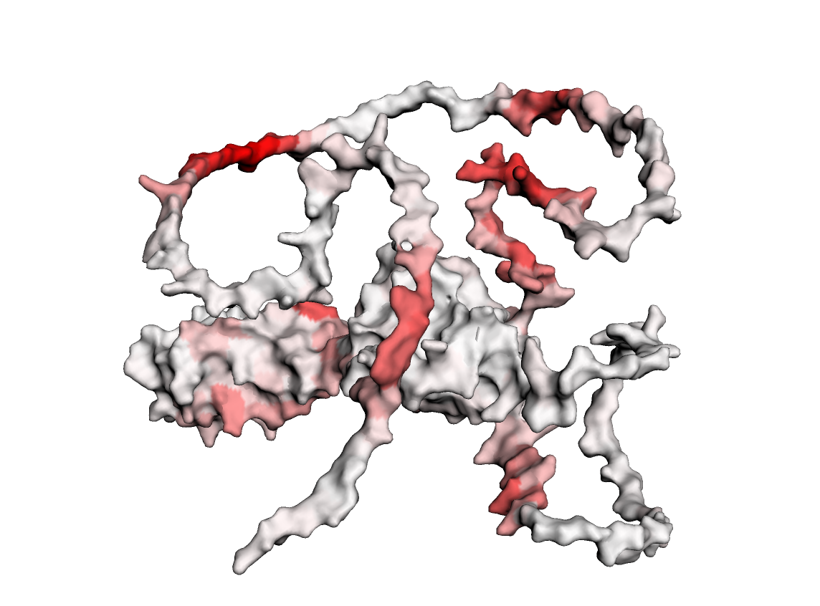
64 | Pro | 0.09 | 37.98 |  | 0.025 |  |  |  | 0.404
65 | Glu | 0.3 | 34.23 |  | 0.195 |  |  |  | 0.747
66 | Asn | 0.71 | 29.13 |  | 0.733 |  |  |  | 0.813
67 | Pro | 0.73 | 38.07 |  | 0.842 |  |  |  | 0.569
68 | His | 0.89 | 36.4 |  | 0.904 |  |  |  | 0.654
69 | His | 0.88 | 30.75 |  | 0.926 |  |  |  | 0.799
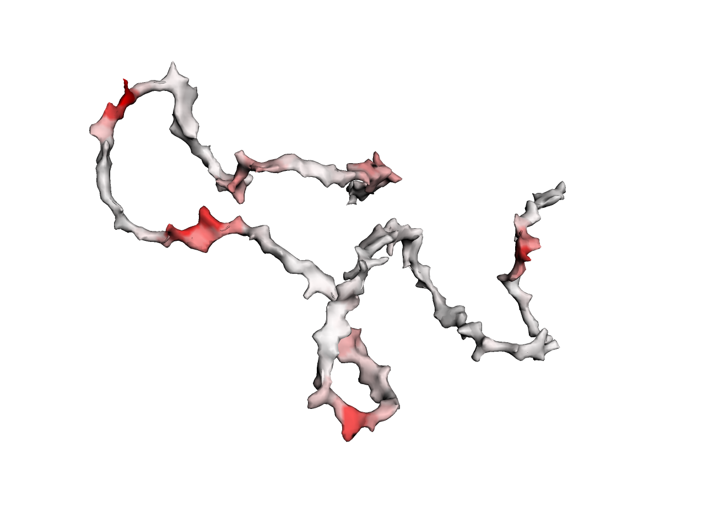
70 | Ala | 0.6 | 29.6 |  | 0.717 |  |  |  | 0.549
71 | Ser | 0.3 | 26.54 |  | 0.513 |  |  |  | 0.55
72 | Pro | 0.18 | 32.4 |  | 0.327 |  |  |  | 0.296
73 | Gln | 0.01 | 29.7 |  | 0.208 |  |  |  | 0.101
74 | Pro | 0.01 | 27.01 |  | 0.163 |  |  |  | 0.064
75 | Ala | 0.01 | 31.07 |  | 0.192 |  |  |  | 0.055
76 | Ser | 0.02 | 29.17 |  | 0.301 |  |  |  | 0.023
77 | Val | 0.01 | 32.46 |  | 0.032 |  |  |  | 0.019
78 | Pro | 0.02 | 33.17 |  | 0.094 |  |  |  | 0.015
79 | Pro | 0.03 | 32.91 |  | 0.069 |  |  |  | 0.024
80 | Pro | 0.04 | 37.23 |  | 0.139 |  |  |  | 0.024
81 | Gln | 0.06 | 35.96 |  | 0.044 |  |  |  | 0.033
82 | Asn | 0.12 | 28.72 |  | 0.054 |  |  |  | 0.03
83 | Gly | 0.08 | 28.72 |  | 0.062 |  |  |  | 0.066
84 | Pro | 0.16 | 37.92 |  | 0.058 |  |  |  | 0.062
85 | Tyr | 0.24 | 27.05 |  | 0.142 |  |  |  | 0.161
86 | Pro | 0.29 | 31.6 |  | 0.237 |  |  |  | 0.221
87 | Gln | 0.89 | 31.75 |  | 0.332 |  |  |  | 0.394
88 | Gln | 0.92 | 29.26 |  | 0.688 |  |  |  | 0.379
89 | Cys | 0.77 | 28.87 |  | 0.879 |  |  |  | 0.206
90 | Met | 0.77 | 25.63 |  | 0.949 |  |  |  | 0.195
91 | Met | 0.89 | 31.13 |  | 0.831 |  |  |  | 0.174
92 | Thr | 0.78 | 33.23 |  | 0.948 |  |  |  | 0.129
93 | Gln | 0.35 | 36.99 |  | 0.883 |  |  |  | 0.135
94 | Asn | 0.49 | 38.33 |  | 0.831 |  |  |  | 0.057
95 | Gln | 0.8 | 35.23 |  | 0.502 |  |  |  | 0.067
96 | Ala | 0.86 | 38.98 |  | 0.447 |  |  |  | 0.087
97 | Asn | 0.48 | 38.77 |  | 0.753 |  |  |  | 0.173
98 | Pro | 0.21 | 44.42 |  | 0.415 |  |  |  | 0.318
99 | Ser | 0.27 | 41.2 |  | 0.578 |  |  |  | 0.476
100 | Gly | 0.59 | 40.41 |  | 0.866 |  |  |  | 0.697
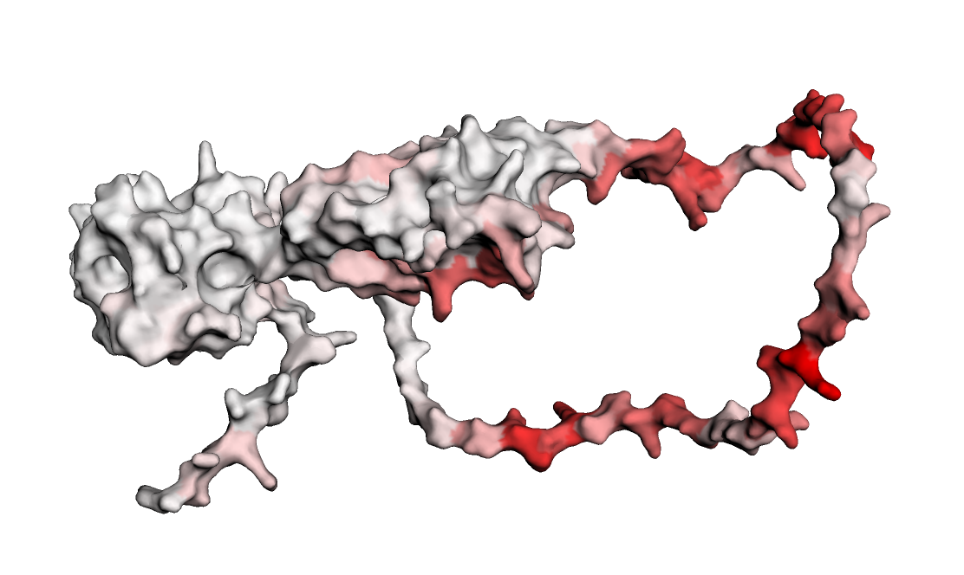
101 | Trp | 0.51 | 54.22 |  | 0.614 |  |  |  | 0.752
102 | Ser | 0.67 | 51.88 |  | 0.709 |  |  |  | 0.36
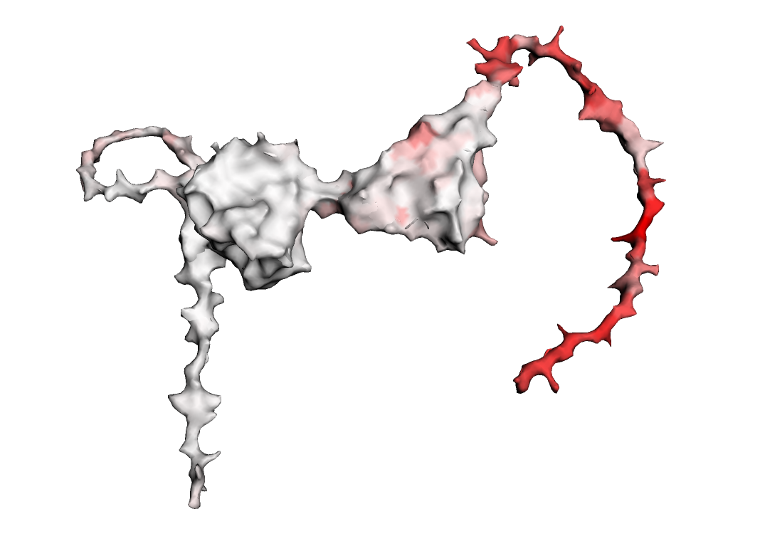
103 | Phe | 0.51 | 47.71 |  | 0.78 |  |  |  | 0.193
104 | Tyr | 0.29 | 52.97 |  | 0.34 |  |  |  | 0.217
105 | Gly | 0.14 | 43.69 |  | 0.211 |  |  |  | 0.043
106 | His | 0.24 | 41.86 |  | 0.407 |  |  |  | 0.044
107 | Pro | 0.01 | 39.79 |  | 0.079 |  |  |  | 0.01
108 | Ser | 0.05 | 40.91 |  | 0.014 |  |  |  | 0.01
109 | Met | 0.01 | 40.08 |  | 0.049 |  |  |  | 0.04
110 | Ile | 0.01 | 41.48 |  | 0.04 |  |  |  | 0.021
111 | Pro | 0.02 | 35.33 |  | 0.036 |  |  |  | 0.096
112 | Tyr | 0.01 | 32.77 |  | 0.034 |  |  |  | 0.13
113 | Thr | 0.02 | 34.16 |  | 0.04 |  |  |  | 0.062
114 | Pro | 0.01 | 29.15 |  | 0.106 |  |  |  | 0.025 | 0.111
115 | Tyr | 0.03 | 33.62 |  | 0.015 |  |  |  | 0.022 | 0.061
116 | Gln | 0.08 | 31.96 |  | 0.169 |  |  |  | 0.037 | 0.031
117 | Met | 0.05 | 29.38 |  | 0.057 |  |  |  | 0.014 | 0.019
118 | Ser | 0.1 | 28.74 |  | 0.013 |  |  |  | 0.011 | 0.005
119 | Pro | 0.14 | 32.21 |  | 0.051 |  |  |  | 0.032 | 0.016
120 | Met | 0.32 | 33.7 |  | 0.013 |  |  |  | 0.025 | 0.016
121 | Tyr | 0.3 | 34.05 |  | 0.091 |  |  |  | 0.059 | 0.023
122 | Phe | 0.47 | 33.85 |  | 0.014 |  |  |  | 0.057 | 0.018
123 | Pro | 0.64 | 36.75 |  | 0.022 |  |  |  | 0.086 | 0.01
124 | Pro | 0.7 | 35.39 |  | 0.01 |  |  |  | 0.037 | 0.01
125 | Gly | 0.57 | 37.53 |  | 0.011 |  |  |  | 0.082 | 0.01
126 | Pro | 0.56 | 43.09 |  | 0.008 |  |  |  | 0.041 | 0.007
127 | Gln | 0.37 | 31.73 |  | 0.015 |  |  |  | 0.081 | 0.024
128 | Ser | 0.15 | 35.42 |  | 0.012 |  |  |  | 0.057 | 0.013
129 | Gln | 0.15 | 31.29 |  | 0.016 |  |  |  | 0.078 | 0.006
130 | Phe | 0.06 | 31.35 |  | 0.011 |  |  |  | 0.035 | 0.005
131 | Pro | 0.02 | 35.97 |  | 0.013 |  |  |  | 0.025 | 0.007
132 | Gln | 0.03 | 29.38 |  | 0.042 |  |  |  | 0.04 | 0.012
133 | Tyr | 0.03 | 30.07 |  | 0.034 |  |  |  | 0.024 | 0.005
134 | Pro | 0.02 | 34.13 |  | 0.024 |  |  |  | 0.023 | 0.005
135 | Ser | 0.02 | 28.24 |  | 0.014 |  |  |  | 0.024 | 0.006
136 | Ser | 0.02 | 31.82 |  | 0.006 |  |  |  | 0.024 | 0.002
137 | Val | 0.02 | 31.94 |  | 0.013 |  |  |  | 0.036 | 0.006
138 | Gly | 0.03 | 26.9 |  | 0.049 |  |  |  | 0.045 | 0.019
139 | Thr | 0.03 | 29.97 |  | 0.068 |  |  |  | 0.041 | 0.046
140 | Pro | 0.04 | 28.85 |  | 0.072 |  |  |  | 0.018 | 0.207
141 | Leu | 0.06 | 31.01 |  | 0.047 |  |  |  | 0.008 | 0.003
142 | Ser | 0.08 | 30.84 |  | 0.018 |  |  |  | 0.021 | 0.126
143 | Thr | 0.02 | 35.28 |  | 0.033 |  |  |  | 0.015 | 0.121
144 | Pro | 0.01 | 34.52 |  | 0.032 |  |  |  | 0.013 | 0.092
145 | Ser | 0.01 | 28.7 |  | 0.041 |  |  |  | 0.019 | 0.004
146 | Pro | 0.02 | 37.65 |  | 0.027 |  |  |  | 0.015 | 0.004
147 | Glu | 0.03 | 36.18 |  | 0.124 |  |  |  | 0.021 | 0.002
148 | Ser | 0.11 | 32.95 |  | 0.021 |  |  |  | 0.063 | 0.001
149 | Gly | 0.01 | 33.04 |  | 0.009 |  |  |  | 0.038 | 0.046
150 | Asn | 0.02 | 33.46 |  | 0.009 |  |  |  | 0.037 | 0.015
151 | Thr | 0 | 34.85 |  | 0.008 |  |  |  | 0.031 | 0.08
152 | Phe | 0.01 | 32.91 |  | 0.036 |  |  |  | 0.024 | 0.229
153 | Thr | 0.03 | 35.36 |  | 0.009 |  |  |  | 0.017 | 0.253
154 | Asp | 0.01 | 29.04 |  | 0.002 |  |  |  | 0.018 | 0.222
155 | Ser | 0.01 | 34.79 |  | 0.001 |  |  |  | 0.046 | 0.104
156 | Ser | 0.04 | 30.2 |  | 0.003 |  |  |  | 0.023 | 0.24
157 | Ser | 0.03 | 32.1 |  | 0.003 |  |  |  | 0.025 | 0.131
158 | Ala | 0.03 | 31.58 |  | 0.14 |  |  |  | 0.011 | 0.034
159 | Asp | 0.34 | 33.96 |  | 0.562 |  |  |  | 0.05 | 0.055
160 | Ser | 0.05 | 29.15 |  | 0.708 |  |  |  | 0.078 | 0.342
161 | Asp | 0.12 | 30.21 |  | 0.85 |  |  |  | 0.005 | 0.093
162 | Met | 0.07 | 30.14 |  | 0.427 |  |  |  | 0.011 | 0.186
163 | Thr | 0.03 | 28.94 |  | 0.693 |  |  |  | 0.18 | 0.098
164 | Ser | 0.03 | 34.99 |  | 0.613 |  |  |  | 0.387 | 0.074
165 | Thr | 0.05 | 34.85 |  | 0.409 |  |  |  | 0.533 | 0.042
166 | Lys | 0.05 | 43.46 |  | 0.281 |  |  |  | 0.799 | 0.2
167 | Lys | 0.08 | 47.99 |  | 0.324 |  |  |  | 0.594 | 0.082
168 | Tyr | 0.12 | 53.13 |  | 0.098 |  |  |  | 0.515 | 0.212
169 | Val | 0.07 | 62.23 |  | 0.051 |  |  |  | 0.214 | 0.04
170 | Arg | 0.12 | 68.46 |  | 0.021 |  |  |  | 0.066 | 0.027
171 | Pro | 0.01 | 78.36 |  | 0.007 |  |  |  | 0.033 | 0.005
172 | Pro | 0.03 | 81.82 |  | 0.026 |  |  |  | 0.014 | 0.006
173 | Pro | 0.04 | 81.42 |  | 0.037 |  |  |  | 0.014 | 0.008
174 | Met | 0.03 | 88.35 |  | 0.018 |  |  |  | 0.012 | 0.007
175 | Leu | 0.05 | 90.25 |  | 0.005 |  |  |  | 0.017 | 0.001
176 | Thr | 0.02 | 86.55 |  | 0.001 |  |  |  | 0.016 | 0.002
177 | Ser | 0.03 | 85.17 |  | 0 |  |  |  | 0.01 | 0
178 | Pro | 0.08 | 85.88 | 0.246 | 0.032 | 0.093 |  |  |  | 0.002
179 | Asn | 0.2 | 81.01 | 0.07 | 0.093 | 0.074 |  |  |  | 0.011
180 | Asp | 0.49 | 85.04 | 0.036 | 0.015 | 0.052 |  |  |  | 0.004
181 | Phe | 0.36 | 89.41 | 0.052 | 0.228 | 0.005 |  |  |  | 0.028
182 | Pro | 0.2 | 83.84 | 0.017 | 0.131 | 0.022 |  |  |  | 0.053
183 | Asn | 0.64 | 79.78 | 0.022 | 0.039 | 0.017 |  |  |  | 0.109
184 | Trp | 0.29 | 89.69 | 0.021 | 0.038 | 0.007 |  |  |  | 0.01
185 | Val | 0 | 89.36 | 0.046 | 0.241 | 0.001 |  |  |  | 0
186 | Lys | 0.37 | 82.99 | 0.076 | 0.22 | 0.085 |  |  |  | 0.094
187 | Thr | 0.25 | 82.02 | 0.003 | 0.105 | 0.003 |  |  |  | 0.007
188 | Tyr | 0 | 88.44 | 0 | 0 | 0 |  |  |  | 0
189 | Ile | 0.4 | 85.81 | 0.014 | 0.021 | 0.038 |  |  |  | 0.023
190 | Lys | 0.38 | 78.6 | 0.002 | 0.562 | 0.077 |  |  |  | 0.04
191 | Phe | 0.02 | 83.8 | 0.002 | 0.19 | 0.001 |  |  |  | 0.032
192 | Leu | 0 | 87.01 | 0 | 0 | 0 |  |  |  | 0
193 | Gln | 0.25 | 81.18 | 0.006 | 0.143 | 0.394 |  |  |  | 0.049
194 | Asn | 0.09 | 75.79 | 0.01 | 0.108 | 0.495 |  |  |  | 0.095
195 | Ser | 0.06 | 78.92 | 0 | 0.042 | 0.068 |  |  |  | 0.111
196 | Asn | 0.07 | 79.15 | 0.001 | 0.112 | 0.216 |  |  |  | 0.074
197 | Leu | 0.01 | 82.34 | 0 | 0.007 | 0.024 |  |  |  | 0.001
198 | Gly | 0.02 | 75.62 | 0 | 0.016 | 0.351 |  |  |  | 0.007
199 | Gly | 0.02 | 75.37 | 0 | 0.021 | 0.386 |  |  |  | 0.001
200 | Ile | 0.01 | 81.46 | 0 | 0.019 | 0 |  |  |  | 0.001
201 | Ile | 0.02 | 78.91 | 0 | 0.218 | 0.101 |  |  |  | 0.003
202 | Pro | 0.01 | 73.71 | 0 | 0.108 | 0.005 |  |  |  | 0.006
203 | Thr | 0.02 | 65.79 | 0 | 0.065 | 0.04 |  |  |  | 0.002
204 | Val | 0.42 | 60.78 | 0.001 | 0.242 | 0.049 |  |  |  | 0.003
205 | Asn | 0.03 | 60.71 | 0.001 | 0.016 | 0.005 |  |  |  | 0.067
206 | Gly | 0.01 | 59.33 | 0.001 | 0.017 | 0.002 |  |  |  | 0.029
207 | Lys | 0 | 64.04 | 0.001 | 0.066 | 0.01 |  |  |  | 0.024
208 | Pro | 0 | 68.57 | 0.001 | 0.011 | 0.009 |  |  |  | 0.002
209 | Val | 0.03 | 71.79 | 0 | 0.056 | 0.182 |  |  |  | 0
210 | Arg | 0.01 | 79.98 | 0 | 0.051 | 0.104 |  |  |  | 0.001
211 | Gln | 0 | 77.65 | 0 | 0.074 | 0.01 |  |  |  | 0
212 | Ile | 0 | 81.88 | 0.001 | 0.002 | 0.001 |  |  |  | 0.001
213 | Thr | 0.05 | 83.76 | 0 | 0.005 | 0.029 |  |  |  | 0
214 | Asp | 0 | 78.45 | 0.001 | 0.013 | 0 |  |  |  | 0
215 | Asp | 0.01 | 77.89 | 0 | 0.011 | 0 |  |  |  | 0
216 | Glu | 0.03 | 85.19 | 0 | 0.005 | 0.014 |  |  |  | 0.001
217 | Leu | 0 | 83.5 | 0 | 0.012 | 0 |  |  |  | 0.001
218 | Thr | 0.01 | 82.27 | 0 | 0.016 | 0 |  |  |  | 0.001
219 | Phe | 0.03 | 85.5 | 0 | 0.014 | 0.001 |  |  |  | 0.004
220 | Leu | 0 | 87.95 | 0 | 0 | 0 |  |  |  | 0
221 | Tyr | 0.03 | 83.46 | 0 | 0.028 | 0 |  |  |  | 0.002
222 | Asn | 0.03 | 83.71 | 0 | 0.12 | 0.001 |  |  |  | 0.006
223 | Thr | 0.01 | 87.96 | 0 | 0.048 | 0 |  |  |  | 0
224 | Phe | 0.09 | 89.23 | 0.003 | 0.091 | 0.002 |  |  |  | 0.001
225 | Gln | 0.2 | 85.51 | 0.008 | 0.211 | 0.023 |  |  |  | 0.003
226 | Ile | 0.02 | 86.27 | 0.001 | 0.096 | 0 |  |  |  | 0.009
227 | Phe | 0.01 | 89.8 | 0.001 | 0.079 | 0.001 |  |  |  | 0.003
228 | Ala | 0.12 | 89.84 | 0.029 | 0.035 | 0.025 |  |  |  | 0.003
229 | Pro | 0.1 | 87.96 | 0.017 | 0.069 | 0.025 |  |  |  | 0.001
230 | Ser | 0.47 | 85.47 | 0.045 | 0.072 | 0.141 |  |  |  | 0.002
231 | Gln | 0.18 | 87.47 | 0.124 | 0.013 | 0.043 |  |  |  | 0.001
232 | Phe | 0.07 | 91.29 | 0.056 | 0.01 | 0.076 |  |  |  | 0.001
233 | Leu | 0.18 | 90.2 | 0.026 | 0.086 | 0.023 |  |  |  | 0.004
234 | Pro | 0.06 | 88.37 | 0.041 | 0.072 | 0.035 |  |  |  | 0.002
235 | Thr | 0.15 | 85.97 | 0.007 | 0.115 | 0.015 |  |  |  | 0.001
236 | Trp | 0.07 | 87.17 | 0.001 | 0.028 | 0.003 |  |  |  | 0.009
237 | Val | 0 | 89.64 | 0 | 0 | 0 |  |  |  | 0
238 | Lys | 0.42 | 85.46 | 0.043 | 0.049 | 0.019 |  |  |  | 0.002
239 | Asp | 0.26 | 83.59 | 0.008 | 0.025 | 0.026 |  |  |  | 0.011
240 | Ile | 0 | 84.02 | 0.002 | 0.126 | 0.003 |  |  |  | 0.002
241 | Leu | 0.07 | 81.87 | 0.001 | 0.091 | 0.003 |  |  |  | 0.001
242 | Ser | 0.31 | 74.23 | 0 | 0.027 | 0 |  |  |  | 0.028
243 | Val | 0 | 71.04 | 0.002 | 0.005 | 0.003 |  |  |  | 0.007
244 | Asp | 0.02 | 65.81 | 0 | 0.008 | 0 |  |  |  | 0.002
245 | Tyr | 0.11 | 57.14 | 0.002 | 0.138 | 0.007 |  |  |  | 0.048
246 | Thr | 0 | 59.73 | 0 | 0.006 | 0 |  |  |  | 0.004
247 | Asp | 0 | 74.34 | 0 | 0.021 | 0 |  |  |  | 0.002
248 | Ile | 0.11 | 84.17 | 0 | 0.022 | 0 |  |  |  | 0
249 | Met | 0 | 80.88 | 0 | 0.006 | 0 |  |  |  | 0.001
250 | Lys | 0 | 82.89 | 0.001 | 0.02 | 0 |  |  |  | 0.008
251 | Ile | 0 | 87.32 | 0 | 0 | 0 |  |  |  | 0
252 | Leu | 0 | 86.8 | 0 | 0 | 0 |  |  |  | 0
253 | Ser | 0.02 | 82.4 | 0.001 | 0.075 | 0.001 |  |  |  | 0.006
254 | Lys | 0.05 | 83.82 | 0.009 | 0.009 | 0 |  |  |  | 0.014
255 | Ser | 0.26 | 84.1 | 0.014 | 0.108 | 0.009 |  |  |  | 0.065
256 | Ile | 0.58 | 78.28 | 0.015 | 0.128 | 0.039 |  |  |  | 0.02
257 | Glu | 0.02 | 76.48 | 0.011 | 0.04 | 0.002 |  |  |  | 0.006
258 | Lys | 0.43 | 73.92 | 0.002 | 0.167 | 0.016 |  |  |  | 0.083
259 | Met | 0.35 | 71.58 | 0 | 0.141 | 0.017 |  |  |  | 0.076
260 | Gln | 0.6 | 66.34 | 0.005 | 0.481 | 0.119 |  |  |  | 0.019
261 | Ser | 0.15 | 60.29 | 0.015 | 0.615 | 0.004 |  |  |  | 0.01
262 | Asp | 0.38 | 63.06 | 0.002 | 0.525 | 0.071 |  |  |  | 0.322
263 | Thr | 0.67 | 69.56 | 0.003 | 0.394 | 0.038 |  |  |  | 0.202
264 | Gln | 0.6 | 76.57 | 0.003 | 0.126 | 0.056 |  |  |  | 0.061
265 | Glu | 0.37 | 76.5 | 0.001 | 0.623 | 0.027 |  |  |  | 0.451
266 | Ala | 0.59 | 79.86 | 0.006 | 0.574 | 0.158 |  |  |  | 0.394
267 | Asn | 0.74 | 86.1 | 0 | 0.071 | 0.347 |  |  |  | 0.148
268 | Asp | 0.04 | 87.56 | 0.004 | 0.193 | 0.658 |  |  |  | 0.536
269 | Ile | 0.11 | 87.04 | 0.007 | 0.409 | 0.302 |  |  |  | 0.449
270 | Val | 0.12 | 89.77 | 0.004 | 0.579 | 0.359 |  |  |  | 0.239
271 | Thr | 0.13 | 91.53 | 0.002 | 0.265 | 0.376 |  |  |  | 0.513
272 | Leu | 0.06 | 92.58 | 0.008 | 0.518 | 0.63 |  |  |  | 0.218
273 | Ala | 0.13 | 90.2 | 0.007 | 0.589 | 0.429 |  |  |  | 0.439
274 | Asn | 0.39 | 92.74 | 0.095 | 0.506 | 0.611 |  |  |  | 0.123
275 | Leu | 0.19 | 94.01 | 0.061 | 0.291 | 0.682 |  |  |  | 0.465
276 | Gln | 0.66 | 92.53 | 0.069 | 0.64 | 0.434 |  |  |  | 0.544
277 | Tyr | 0.22 | 94.73 | 0.021 | 0.163 | 0.589 |  |  |  | 0.078
278 | Asn | 0.35 | 91.44 | 0.02 | 0.332 | 0.536 |  |  |  | 0.225
279 | Gly | 0.08 | 90.08 | 0.001 | 0.07 | 0.128 |  |  |  | 0.152
280 | Ser | 0.25 | 89.58 | 0 | 0.059 | 0.325 |  |  |  | 0.49
281 | Thr | 0.13 | 91.43 | 0.012 | 0.039 | 0.337 |  |  |  | 0.38
282 | Pro | 0.02 | 93 | 0.041 | 0.02 | 0.049 |  |  |  | 0.094
283 | Ala | 0.01 | 93.91 | 0.065 | 0.019 | 0.049 |  |  |  | 0.114
284 | Asp | 0.02 | 93.52 | 0.103 | 0.356 | 0.057 |  |  |  | 0.576
285 | Ala | 0.06 | 93.14 | 0.053 | 0.295 | 0.269 |  |  |  | 0.649
286 | Phe | 0.07 | 95.36 | 0.066 | 0.179 | 0.4 |  |  |  | 0.277
287 | Glu | 0 | 96.19 | 0.039 | 0.004 | 0.096 |  |  |  | 0.303
288 | Thr | 0 | 94.03 | 0.014 | 0.417 | 0.219 |  |  |  | 0.329
289 | Lys | 0.07 | 93.88 | 0.065 | 0.063 | 0.582 |  |  |  | 0.146
290 | Val | 0 | 94.7 | 0 | 0 | 0 |  |  |  | 0
291 | Thr | 0.01 | 93.36 | 0.054 | 0.024 | 0.386 |  |  |  | 0.127
292 | Asn | 0.02 | 92.02 | 0.005 | 0.093 | 0.159 |  |  |  | 0.026
293 | Ile | 0.04 | 92.15 | 0.009 | 0.15 | 0.467 |  |  |  | 0.187
294 | Ile | 0.01 | 90.89 | 0.019 | 0.102 | 0.052 |  |  |  | 0.042
295 | Asp | 0.02 | 87.82 | 0.022 | 0.159 | 0.321 |  |  |  | 0.066
296 | Arg | 0.1 | 81.04 | 0.012 | 0.136 | 0.052 |  |  |  | 0.009
297 | Leu | 0 | 82.31 | 0.004 | 0 | 0.327 |  |  |  | 0
298 | Asn | 0.03 | 81.63 | 0.012 | 0.627 | 0.105 |  |  |  | 0.127
299 | Asn | 0.01 | 73.13 | 0.015 | 0.854 | 0.184 | 0.657 |  |  | 0.063
300 | Asn | 0.08 | 67.4 | 0.005 | 0.461 | 0.004 | 0.773 |  |  | 0.045
301 | Gly | 0.09 | 67.22 | 0.001 | 0.231 | 0.003 | 0.733 |  |  | 0.253
302 | Ile | 0.12 | 75.34 | 0.002 | 0.121 | 0.019 | 0.691 |  |  | 0.561
303 | His | 0.02 | 83.34 | 0.087 | 0.927 | 0.086 | 0.382 |  |  | 0.087
304 | Ile | 0.01 | 85.32 | 0.01 | 0.037 | 0.062 | 0.507 |  |  | 0.424
305 | Asn | 0.04 | 88.92 | 0.034 | 0.03 | 0.017 | 0.603 |  |  | 0.131
306 | Asn | 0.01 | 90.13 | 0.026 | 0.08 | 0.078 | 0.422 |  |  | 0.06
307 | Lys | 0.03 | 88.62 | 0.048 | 0.019 | 0.037 | 0.751 |  |  | 0.092
308 | Val | 0.05 | 88.88 | 0.071 | 0.031 | 0.007 | 0.359 |  |  | 0.803
309 | Ala | 0.01 | 91.94 | 0.043 | 0.031 | 0.064 | 0.645 |  |  | 0.083
310 | Cys | 0.18 | 91.88 | 0.033 | 0.012 | 0.035 | 0.677 |  |  | 0.091
311 | Gln | 0.1 | 89.83 | 0.178 | 0.259 | 0.234 | 0.537 |  |  | 0.505
312 | Leu | 0.09 | 92.06 | 0.025 | 0.247 | 0.534 | 0.418 |  |  | 0.654
313 | Ile | 0 | 93.4 | 0 | 0 | 0 | 0.732 |  |  | 0
314 | Met | 0.03 | 91.63 | 0.1 | 0.043 | 0.12 | 0.685 |  |  | 0.177
315 | Arg | 0.51 | 90.77 | 0.239 | 0.281 | 0.772 | 0.686 |  |  | 0.596
316 | Gly | 0.57 | 92.08 | 0.084 | 0.407 | 0.733 | 0.589 |  |  | 0.622
317 | Leu | 0.45 | 93.6 | 0 | 0.292 | 0 | 0.542 |  |  | 0.571
318 | Ser | 0.35 | 90.99 | 0.169 | 0.483 | 0.799 | 0.661 |  |  | 0.583
319 | Gly | 0.35 | 88.91 | 0.04 | 0.382 | 0.851 | 0.19 |  |  | 0.552
320 | Glu | 0.25 | 86.72 | 0.077 | 0.064 | 0.528 | 0.074 |  |  | 0.326
321 | Tyr | 0 | 91.54 | 0.008 | 0 | 0 | 0.194 |  |  | 0
322 | Lys | 0.45 | 90.04 | 0.48 | 0.301 | 0.708 | 0.621 |  |  | 0.616
323 | Phe | 0.08 | 85.33 | 0.082 | 0.078 | 0.163 | 0.24 |  |  | 0.294
324 | Leu | 0 | 88.14 | 0.005 | 0.006 | 0.003 | 0.133 |  |  | 0.008
325 | Arg | 0.34 | 82.78 | 0.294 | 0.202 | 0.841 | 0.669 |  |  | 0.857
326 | Tyr | 0.15 | 78.34 | 0.411 | 0.045 | 0.154 | 0.623 |  |  | 0.686
327 | Thr | 0.01 | 79.12 | 0.037 | 0.007 | 0.008 | 0.377 |  |  | 0.169
328 | Arg | 0.02 | 77.2 | 0.171 | 0.007 | 0.475 | 0.384 |  |  | 0.051
329 | His | 0.09 | 65.27 | 0.169 | 0.027 | 0.2 | 0.54 |  |  | 0.522
330 | Arg | 0.03 | 64.75 | 0.027 | 0.066 | 0.011 | 0.49 |  |  | 0.401
331 | His | 0.03 | 70.45 | 0.025 | 0.003 | 0.025 | 0.553 |  |  | 0.085
332 | Leu | 0.01 | 62.24 | 0.016 | 0.143 | 0.112 | 0.667 |  |  | 0.036
333 | Asn | 0.02 | 77.33 | 0.023 | 0.016 | 0.02 | 0.73 |  |  | 0.008
334 | Met | 0.12 | 85.78 | 0.019 | 0.031 | 0.012 | 0.584 |  |  | 0.019
335 | Thr | 0 | 91.78 | 0.006 | 0.203 | 0.138 | 0.296 |  |  | 0.011
336 | Val | 0.01 | 91.96 | 0.03 | 0.077 | 0.062 | 0.199 |  |  | 0.062
337 | Ala | 0 | 93.04 | 0.035 | 0.004 | 0.154 | 0.059 |  |  | 0.157
338 | Glu | 0 | 91.96 | 0.008 | 0.049 | 0.012 | 0.125 |  |  | 0.01
339 | Leu | 0 | 93.64 | 0 | 0 | 0 | 0 |  |  | 0
340 | Phe | 0 | 95.31 | 0.086 | 0.005 | 0.137 | 0.113 |  |  | 0.12
341 | Leu | 0 | 93.4 | 0.031 | 0.002 | 0.018 | 0.014 |  |  | 0.023
342 | Asp | 0.01 | 92.26 | 0.009 | 0.005 | 0.001 | 0.058 |  |  | 0.006
343 | Ile | 0 | 93.98 | 0 | 0 | 0 | 0.146 |  |  | 0
344 | His | 0 | 95.16 | 0.101 | 0.017 | 0.027 | 0.017 |  |  | 0.182
345 | Ala | 0 | 92.15 | 0.004 | 0.002 | 0.002 | 0.019 |  |  | 0.003
346 | Ile | 0.02 | 92.1 | 0.007 | 0.023 | 0.01 | 0.075 |  |  | 0.03
347 | Tyr | 0.06 | 92.95 | 0.006 | 0.026 | 0.032 | 0.035 |  |  | 0.039
348 | Glu | 0.01 | 90.72 | 0.007 | 0.011 | 0.013 | 0.027 |  |  | 0.029
349 | Glu | 0.02 | 89.07 | 0.001 | 0.003 | 0.023 | 0.032 |  |  | 0.015
350 | Gln | 0.11 | 85.76 | 0.002 | 0.049 | 0.218 | 0.09 |  |  | 0.213
351 | Gln | 0.06 | 84.5 |  |  | 0.019 | 0.06 | 0.711 |  | 0.027
352 | Gly | 0.04 | 78.2 |  |  | 0.066 | 0.067 | 0.661 |  | 0.064
353 | Ser | 0.22 | 76.47 |  |  | 0.274 | 0.054 | 0.665 |  | 0.219
354 | Arg | 0.2 | 72.87 |  |  | 0.189 | 0.099 | 0.623 |  | 0.308
355 | Asn | 0.08 | 70.52 |  |  | 0.115 | 0.222 | 0.543 |  | 0.341
356 | Ser | 0.25 | 61.44 |  |  | 0.352 | 0.207 | 0.564 |  | 0.21
357 | Lys | 0.41 | 47.29 |  |  | 0.75 | 0.357 | 0.74 |  | 0.582
358 | Pro | 0.74 | 48.82 |  |  | 0.706 | 0.408 | 0.648 |  | 0.699
359 | Asn | 0.53 | 46.57 |  |  | 0.426 | 0.869 | 0.752 |  | 0.811
360 | Tyr | 0.83 | 45.66 |  |  | 0.783 | 0.712 | 0.741 |  | 0.833
361 | Arg | 0.74 | 41.93 |  |  | 0.728 | 0.866 | 0.757 |  | 0.812
362 | Arg | 0.76 | 39.53 |  |  | 0.817 | 0.84 | 0.732 |  | 0.699
363 | Asn | 0.71 | 40.46 |  |  | 0.869 | 0.799 | 0.695 |  | 0.824
364 | Pro | 0.56 | 42.9 |  |  | 0.73 | 0.87 | 0.302 |  | 0.642
365 | Ser | 0.53 | 40.36 |  |  | 0.592 | 0.832 | 0.136 |  | 0.42
366 | Asp | 0.59 | 41.79 |  |  | 0.356 | 0.731 | 0.245 |  | 0.692
367 | Glu | 0.59 | 40.07 |  |  | 0.455 | 0.79 | 0.14 |  | 0.702
368 | Lys | 0.82 | 45.55 |  |  | 0.864 | 0.841 | 0.364 |  | 0.806
369 | Asn | 0.64 | 37.15 |  |  | 0.935 | 0.905 | 0.799 |  | 0.852
370 | Asp | 0.56 | 41.1 |  |  | 0.898 | 0.823 | 0.588 |  | 0.759
371 | Ser | 0.46 | 39.9 |  |  | 0.923 | 0.857 | 0.823 |  | 0.83
372 | Arg | 0.22 | 39.38 |  |  | 0.936 | 0.861 | 0.658 |  | 0.858
373 | Ser | 0.03 | 33.09 |  |  | 0.856 | 0.888 | 0.745 |  | 0.809
374 | Tyr | 0.04 | 40.7 |  |  | 0.869 | 0.835 | 0.712 |  | 0.682
375 | Thr | 0.24 | 33.48 |  |  | 0.715 | 0.759 | 0.804 |  | 0.712
376 | Asn | 0.24 | 41.35 |  |  | 0.725 | 0.683 | 0.744 |  | 0.667
377 | Thr | 0.24 | 36.42 |  |  | 0.233 | 0.734 | 0.748 |  | 0.363
378 | Thr | 0.22 | 41.18 |  |  | 0.115 | 0.898 | 0.876 |  | 0.292
379 | Lys | 0.22 | 35.68 |  |  | 0.383 | 0.931 | 0.876 |  | 0.249
380 | Pro | 0.3 | 40.56 |  |  | 0.396 | 0.898 | 0.92 |  | 0.29
381 | Lys | 0.54 | 36.02 |  |  | 0.641 | 0.935 | 0.877 |  | 0.822
382 | Val | 0.52 | 32.01 |  |  | 0.549 | 0.95 | 0.937 |  | 0.722
383 | Ile | 0.78 | 39.68 |  |  | 0.762 | 0.963 | 0.957 |  | 0.89
384 | Ala | 0.86 | 34.69 |  |  | 0.874 | 0.948 | 0.947 |  | 0.916
385 | Arg | 0.91 | 38.17 |  |  | 0.961 | 0.975 | 0.946 |  | 0.915
386 | Asn | 0.91 | 35.4 |  |  | 0.918 | 0.935 | 0.904 |  | 0.856
387 | Pro | 0.77 | 44.15 |  |  | 0.885 | 0.882 | 0.882 |  | 0.8
388 | Gln | 0.71 | 38.77 |  |  | 0.873 | 0.859 | 0.825 |  | 0.651
389 | Lys | 0.49 | 38.69 |  |  | 0.655 | 0.772 | 0.701 |  | 0.593
390 | Thr | 0.31 | 39.14 |  |  | 0.329 | 0.659 | 0.847 |  | 0.538
391 | Asn | 0.33 | 40.58 |  |  | 0.326 | 0.822 | 0.774 |  | 0.794
392 | Asn | 0.44 | 40.03 |  |  | 0.275 | 0.813 | 0.778 |  | 0.812
393 | Ser | 0.55 | 40.17 |  |  | 0.76 | 0.838 | 0.849 |  | 0.872
394 | Lys | 0.81 | 40.68 |  |  | 0.807 | 0.626 | 0.794 |  | 0.883
395 | Ser | 0.69 | 33.82 |  |  | 0.832 | 0.633 | 0.901 |  | 0.841
396 | Lys | 0.89 | 38.69 |  |  | 0.751 | 0.469 | 0.808 |  | 0.873
397 | Thr | 0.68 | 36.87 |  |  | 0.654 | 0.467 | 0.798 |  | 0.862
398 | Ala | 0.72 | 33.93 |  |  | 0.558 | 0.671 | 0.814 |  | 0.865
399 | Arg | 0.89 | 36.77 |  |  | 0.911 | 0.877 | 0.897 |  | 0.849
400 | Ala | 0.85 | 34.63 |  |  | 0.833 | 0.895 | 0.776 |  | 0.86
401 | His | 0.79 | 42.44 |  |  | 0.919 | 0.918 | 0.793 |  | 0.835
402 | Asn | 0.9 | 39.29 |  |  | 0.851 |  | 0.882
403 | Val | 0.73 | 37.77 |  |  | 0.442 |  | 0.831
404 | Ser | 0.56 | 36.74 |  |  | 0.544 |  | 0.622
405 | Thr | 0.33 | 36.83 |  |  | 0.192 |  | 0.682
406 | Ser | 0.13 | 35.95 |  |  | 0.159 |  | 0.541
407 | Asn | 0.04 | 31.88 |  |  | 0.09 |  | 0.674
408 | Asn | 0.08 | 38.1 |  |  | 0.059 |  | 0.726
409 | Ser | 0.04 | 32.64 |  |  | 0.025 |  | 0.489
410 | Pro | 0.09 | 36.11 |  |  | 0.057 |  | 0.267
411 | Ser | 0.03 | 29.11 |  |  | 0.033 |  | 0.168
412 | Thr | 0 | 38.82 |  |  | 0.025 |  | 0.028
413 | Asp | 0 | 31.18 |  |  | 0.053 |  | 0.042
414 | Asn | 0.02 | 35.96 |  |  | 0.037 |  | 0.089
415 | Asp | 0.04 | 30.68 |  |  | 0.014 |  | 0.059
416 | Ser | 0.02 | 35.45 |  |  | 0.027 |  | 0.052
417 | Ile | 0.01 | 32.71 |  |  | 0.038 |  | 0.03
418 | Ser | 0.04 | 30.2 |  |  | 0.018 |  | 0.04
419 | Lys | 0.01 | 31.92 |  |  | 0.017 |  | 0.02
420 | Ser | 0.02 | 33.97 |  |  | 0.035 |  | 0.025
421 | Thr | 0.02 | 33.22 |  |  | 0.097 |  | 0.021
422 | Thr | 0.04 | 32.74 |  |  | 0.111 |  | 0.024
423 | Glu | 0.02 | 36.77 |  |  | 0.256 |  | 0.028
424 | Pro | 0.01 | 35.63 |  |  | 0.323 |  | 0.026
425 | Ile | 0.01 | 34.57 |  |  | 0.059 |  | 0.025
426 | Gln | 0.01 | 33 |  |  | 0.206 |  | 0.016
427 | Leu | 0.01 | 33.43 |  |  | 0.167 |  | 0.005
428 | Asn | 0.01 | 31.9 |  |  | 0.019 |  | 0.003
429 | Asn | 0.01 | 35.6 |  |  | 0.04 |  | 0.005
430 | Lys | 0.01 | 34.26 |  |  | 0.049 |  | 0
431 | His | 0.01 | 35.59 |  |  | 0.09 |  | 0.01
432 | Asp | 0 | 31.54 |  |  | 0.007 |  | 0.005
433 | Leu | 0 | 34.99 |  |  | 0.006 |  | 0.008
434 | His | 0.02 | 36.54 |  |  | 0.076 |  | 0.034
435 | Leu | 0.02 | 39.31 |  |  | 0.015 |  | 0.059
436 | Arg | 0.19 | 35.08 |  |  | 0.268 |  | 0.07
437 | Pro | 0.15 | 37.46 |  |  | 0.226 |  | 0.176
438 | Glu | 0.13 | 44.27 |  |  | 0.187 |  | 0.188
439 | Thr | 0.19 | 42.77 |  |  | 0.261 |  | 0.354
440 | Tyr | 0.08 | 37.28 |  |  | 0.031 |  | 0.022

 |  | 0.203 |  | 0.031 | 0.191 | 0.230 | 0.554 | 0.494 |  | 0.211

